1. Title Page
Grocery Basket Analysis

Project Name: Instacart Grocery Basket Analysis
Date: April 2023
Analyst Name: Feyrouz Gousmi

Contents:
Population Flow
Consistency checks
Wrangling steps
Column derivations
Visualizations
Recommendations

2. Population Flow
Title page

Population flow

Exclusion flag
Condition: max_order < 99
Obervations to be removed: n/a
Final total count of order_products_all: 32,404,859

Orders_products_combined
Orders_products_merged
Orders_products_all

Total: 32,404,859
Total: 32,434,489
Total: 32,404,859

1.) The grey boxes in the first row of the population flow represent the original data sets as they were when you downloaded them. In the Total fields you need to add the count of the rows when you imported the data set into Jupyter.
2.) The second row of boxes (coloured) represents the data sets after you manipulated them, e.g., removed missing values and duplicates. In the Total fields you need to add the count of the rows after conducting these operations. This offers a visual oveview of how the data flows throughout the data consistency checks.
3.) The third row, where also the arrows are coloured, represents the merges you performed between the datasets. In the Total fields you need to add the count of the rows in the merged datasets, so that you end up with the final dataset (in the red box). Keep in mind the final dataset should be without exclusions (based on the exclusion flag).

3. Consistency checks
 |  |  |  | Title page
Consistency checks

Dataset | Missing values | Missing values treatment | Duplicates
orders | There is 206209 missing values in days-since-prior-order. Which can be explained by the fact that these customers have not ordered before so we can say that they are first time customers. | No treatment. | No duplicates
products | 16 missing values in the "product_name" column | The missing values were removed | 5 Duplicates (removed)
orders_products_prior | No missing values |  | No duplicates
customers | No missing values |  | No duplicates

4. Wrangling steps
 |  |  |  | Title page
Wrangling steps

Columns dropped | Columns renamed | Columns' type changed | Comment/Reason
eval_set |  |  | Not needed
aisle_id |  |  | Not needed
first_name |  |  | Removed for data security
last_name |  |  | Removed for data security
 | order_dow |  | Renamed to orders_day_of_week for more clarity
 | Gender |  | Changed to gender
 | STATE |  | Changed to state
 | AGE |  | Changed to age
 | n_dependants |  | Changed to number_dependants
 | fam_status |  | changed to family_status
 |  | order_id | Changed from Integer to String Because it is not a calculable number but an ID number.
 |  | user_id | Changed from Integer to String Because it is not a calculable number but an ID number.

5. Column derivations
 |  |  |  | Title page

Column derivations and aggregations

In this tab you should add tables below that the frequences of flags/label variables that you produced after deriving them. NB: don't do this for continuous variables, only for flags.
Dataset | New column | Column/s it was derived from | Conditions
orders_products_merged | price_range_loc | prices | if prices <= 5, Low-range product if prices > 5 & prices <= 15, Mid-range product if prices > 15, High-range product
orders_products_merged | busiest_day | order_day_of_week | if orders_day_of_week = 0, Busiest day if orders_day_of_week = 4, Least Busy else Regularly Busy
orders_products_merged | busiest_days | order_day_of_week | if order_day_of_week = 0 & 1, Busiest day if order_day_of_week = 4 & 3, Least Busy else Regularly Busy
orders_products_merged | busiest_period_of_day | order_hour_of_day | >= orders[2]]['hour']), Most Orders < orders[2])]['hour']), Average Orders <= orders[0]]['hour']), Fewest Orders

 | loyalty_flag | max_order | ['max_order'] > 40, 'loyalty_flag'] = 'Loyal customer'
 |  |  | ['max_order'] <= 40) & ['max_order'] > 10), 'loyalty_flag'] = 'Regular customer'
 |  |  | ['max_order'] <= 10, 'loyalty_flag'] = 'New customer'

 | spending_flag | average_price | ['average_price'] < 10, 'spending_flag'] = 'Low spender'
 |  |  | ['average_price'] >= 10, 'spending_flag'] = 'High spender'

 | order_frequency_flag | median_prior_orders | ['median_prior_orders'] > 20, 'order_frequency_flag'] = 'Non-frequent customer'
 |  |  | ['median_prior_orders'] > 10) & ['median_prior_orders'] <= 20), 'order_frequency_flag'] = 'Regular customer'
 |  |  | ['median_prior_orders'] <= 10, 'order_frequency_flag'] = 'Frequent customer'

 | region | state | region = []
 |  |  | for value in df_ords_prods_custm['state']:
 |  |  | if (value == 'Maine') or (value == 'New Hampshire') or (value == 'Vermont') or (value == 'Massachusetts') or (value == 'Rhode Island') or (value == 'Connecticut') or (value == 'New York') or (value == 'Pennsylvania') or (value =='New Jersey'):
 |  |  | region.append('Northeast')
 |  |  | elif (value == 'Wisconsin') or (value == 'Michigan') or (value == 'Illinois') or (value == 'Indiana') or (value == 'Ohio') or (value == 'North Dakota') or (value == 'South Dakota') or (value == 'Nebraska') or (value == 'Kansas') or (value == 'Minnesota') or (value == 'Iowa') or (value == 'Missouri'):
 |  |  | region.append('Midwest')
 |  |  | elif (value == 'Idaho') or (value == 'Montana') or (value == 'Wyoming') or (value == 'Nevada') or (value == 'Utah') or (value == 'Colorado') or (value == 'Arizona') or (value == 'New Mexico') or (value == 'Alaska') or (value == 'Washington') or (value == 'Oregon') or (value == 'California') or (value == 'Hawaii'):
 |  |  | region.append('West')
 |  |  | else:
 |  |  | region.append('South')

 | low_order_flag | max_order | ['max_order'] < 5, 'low_order_flag'] = 'Low order customer'
 |  |  | ['max_order'] >= 5, 'low_order_flag'] = 'High order customer'

 | age_profile | age | ['age'] <= 40), 'age_profile'] = '18-40'
 |  |  | ['age'] > 40) & ['age'] <= 65), 'age_profile'] = '41-65'
 |  |  | ['age'] > 65), 'age_profile'] = '65+'

 | income_profile | income | ['income'] <= 50000), 'income_profile'] = '<=50k'
 |  |  | ['income'] > 50000) & ['income'] <= 150000), 'income_profile'] = '50k - 150k'
 |  |  | ['income'] > 150000), 'income_profile'] = '150k+'

 | family_profile | number_dependants | ['number_dependants'] == 0), 'family_profile'] = 'Single Adult'
 |  |  | ['number_dependants'] != 0), 'family_profile'] = 'Family'

6. Visualizations
 |  |  |  | Title page

Visualisations

Key Questions

1. What are the busiest days of the week and hours of the day, (i.e., the days and times with the most orders) in order to schedule ads at times
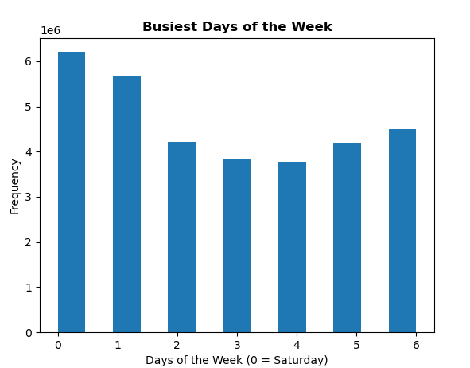

Most orders are placed on Saturday and Sunday and very few on Tuesday and Wednesday.
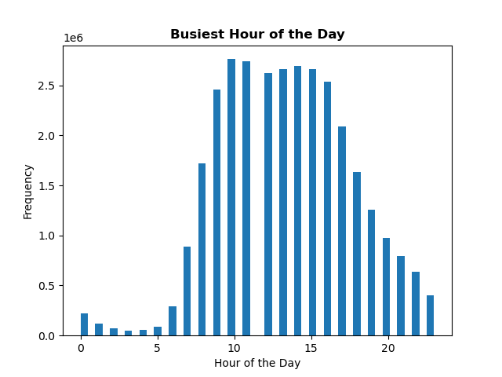

Most orders are placed between 10am-11am.

2. At what time of day do customers spend the most money?
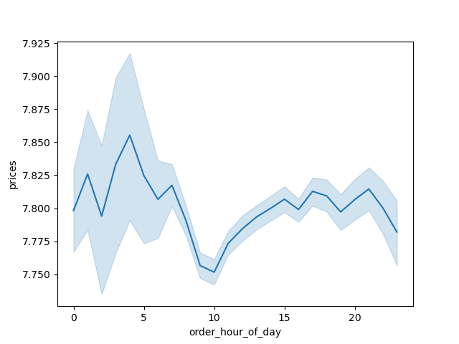
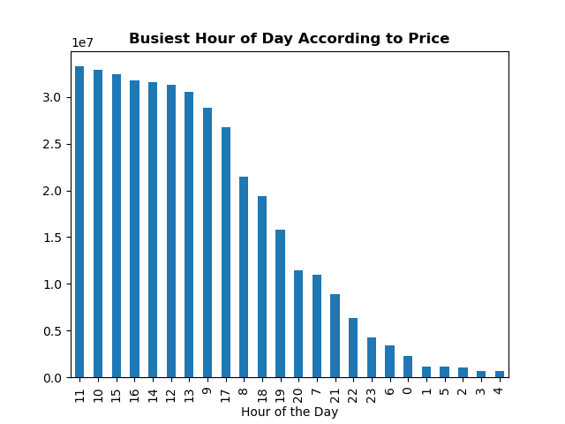

Higher priced items are sold around 4pm each day, but the busiest hour according to price is 11am from the right bar chart.

3. What are the price range groupings for Instacart products?

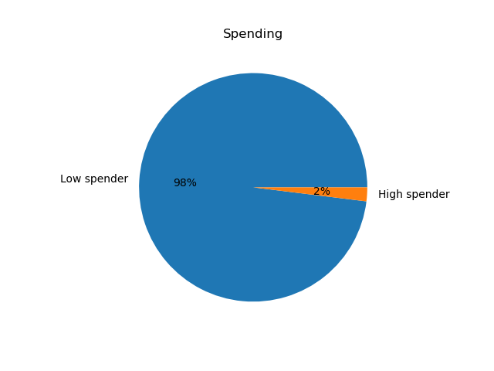

 |  |  | High Spender: 634901 Low Spender: 31771140

The low spenders category constitues the majority of customers.

4. Are certain types of products more popular than others? Which departments have the highest frequency of product orders?

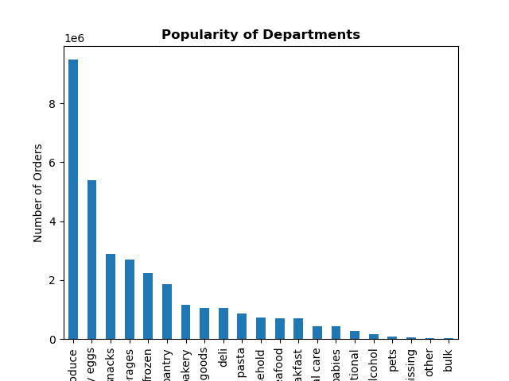

The departments with the highest frequency of orders are Produce, Dairy eggs, Snacks, Beverages, and Frozen.

5. The marketing and sales teams are particularly interested in the different types of customers in their system and how their ordering behaviors differ.
5a. What’s the distribution among users in regards to their brand loyalty (i.e., how often do they return to Instacart)?
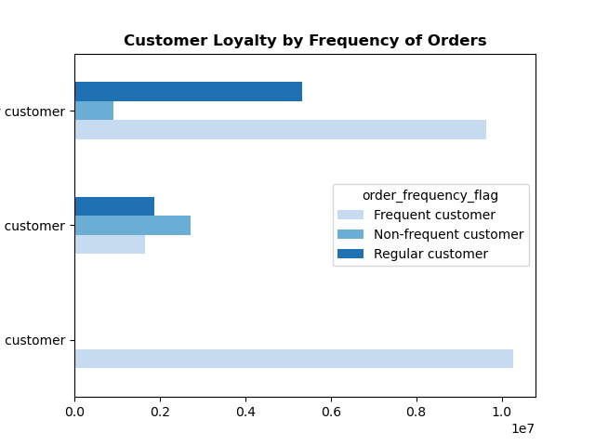

 | Regular Customer

 | New Customer

 | Loyal Customer

The loyal customers are the most frequent customers.

5b. What are the differences in ordering habits based on a customer’s loyalty status?
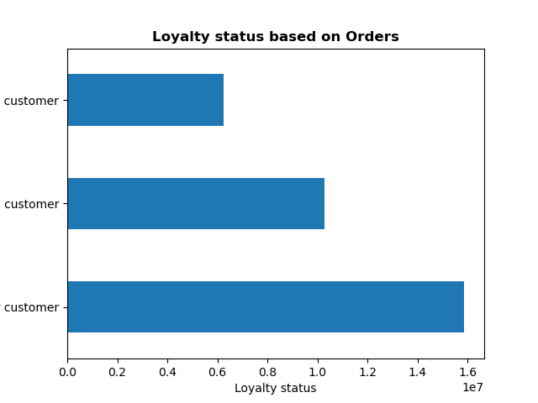

New Customer

Loyal Customer

Regular Customer

Regular customers order the most. Followed by the loyal customers.

5c. What are the differences in ordering habits based on a customer’s region?

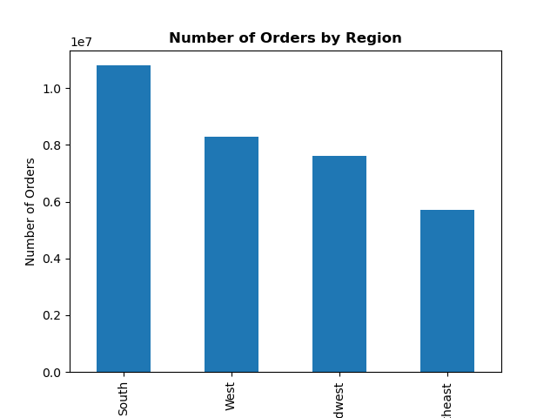

The South represents the region with the highest number of orders.

5d. Is there a connection between age and family status in terms of ordering habits?

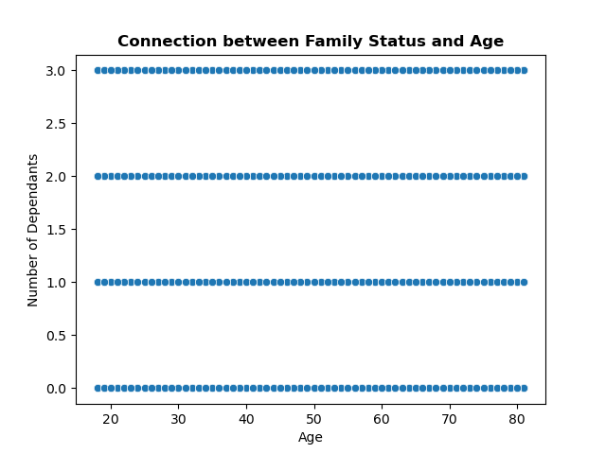

The chart illustrates that between the ages of 20 and 80, there are up to 3 dependants in a family.

5e. What different classifications does the demographic information suggest? Age? Income? Certain types of goods? Family status?

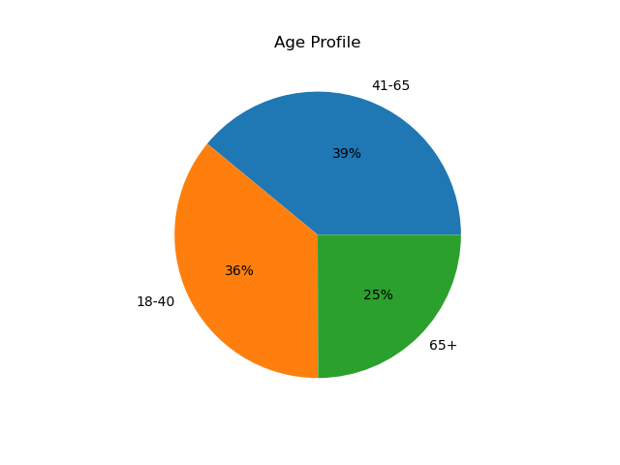
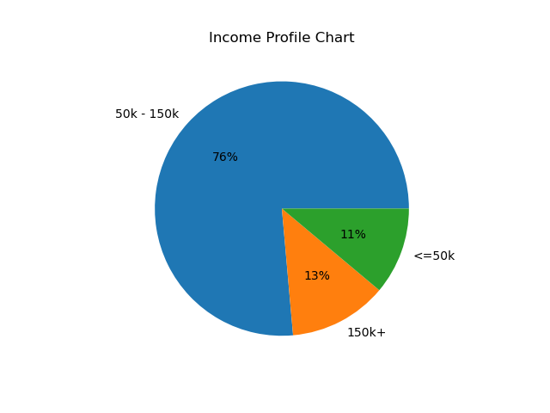
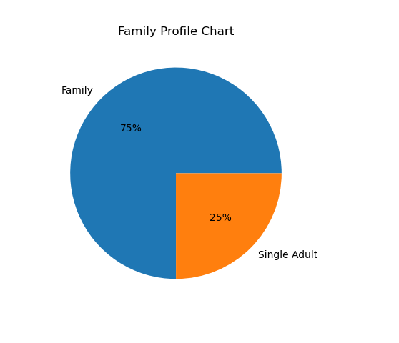

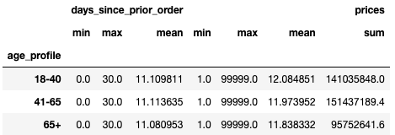

For customers (all ages) , the average days since prior order is 11. The age group 41-65 represents the highest revenue, followed closely by the 18-40 age group. Similar , all income profiles also have 11 days since their prior order. The 50k-150k income profile represents the highest revenue. Those customers with families represent the highest revenue. Again, their days since prior order is also 11.

5f. What differences can you find in ordering habits of different customer profiles?
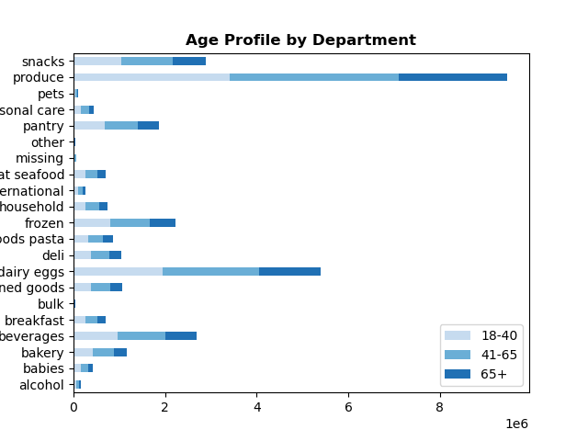
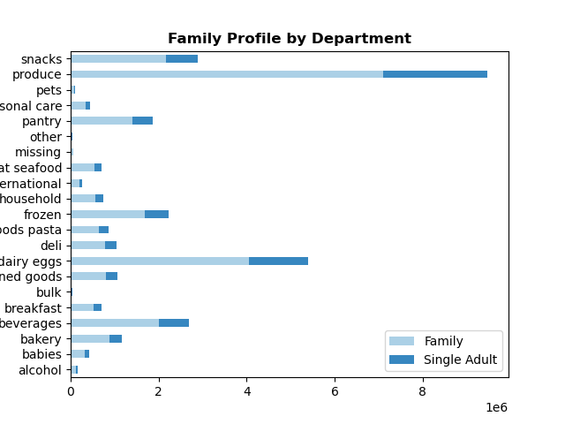
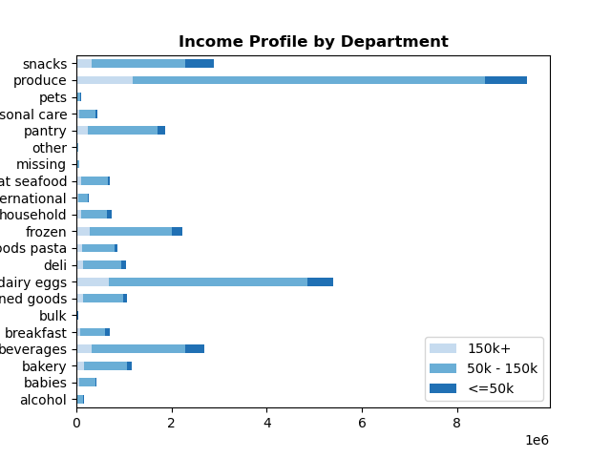

Produce is the highest revenue department for all ages, family states and income profiles. Followed by Dairy/eggs . There seems to be a pretty balanced distribution of the ordering habits by departments between the different age groups. Contrary to the ordering habits by family status, where the family category spends much more than the single adults and this in every departments. And finally, in the Income profiles, we can see that the 50-150k category is the one that spends the most.

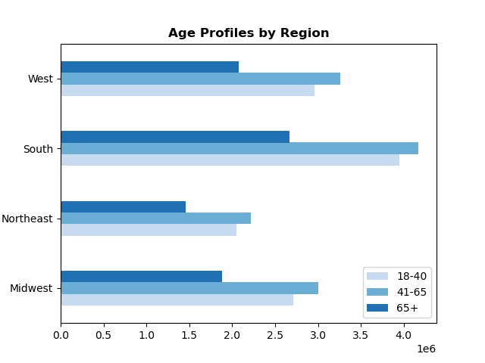
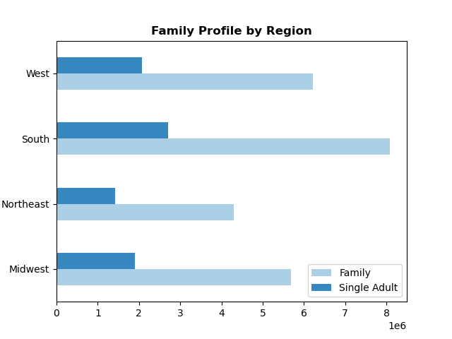

The age profile 41-65 is the highest in all regions. |  | Families are the most prevalent in all regions.

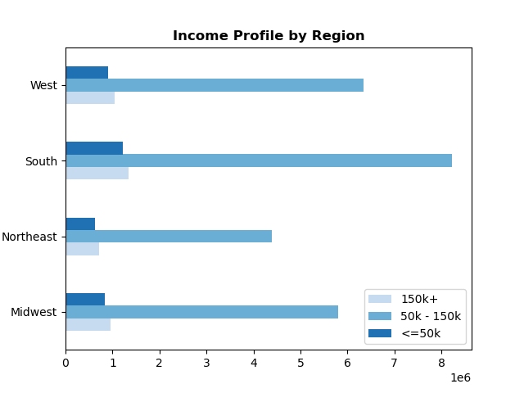


Customers in the 50k-150k income category are the highest in all regions. |  | This scatterplot illustrates that from the ages 20-40, the most common income is around 200k. After 40, that income is more likely to be around 300k.

7. Recommendations
 |  | Title page

Recommendations

Key Question 1 | The sales team needs to know what the busiest days of the week and hours of the day are (i.e., the days and times with the most orders) in order to schedule ads at times when there are fewer orders.

Answer | The most orders are placed on Saturday and Sunday and very few on Tuesday and Wednesday. 10am-11am is the peak time when orders are placed with orders starting to decline around 3pm.

Recommendation | Slow days and hours needs to be more targeted by ads. For example, running ads with flash sales only on Tuesdays and wednesdays.

Key Question 2 | They also want to know whether there are particular times of the day when people spend the most money, as this might inform the type of products they advertise at these times.

Answer | Higher priced items are sold around 4pm each day, but the busiest hour according to price is 11am from the bar chart.

Recommendation | Prioritize these particular times of the day to advertise the higher priced items.

Key Question 3 | Instacart has a lot of products with different price tags. Marketing and sales want to use simpler price range groupings to help direct their efforts.

Answer | The price range groupings are "High Spender" and "Low Spender". It is clear the vast majority of customers fall into the "Low Spender" category.

Recommendation | Since the majority of customers tend to be on the low spending side, the marketing approach need to be more targeted towards the highest price tag items.

Key Question 4 | Are there certain types of products that are more popular than others? The marketing and sales teams want to know which departments have the highest frequency of product orders.

Answer | The departments with the highest frequency of orders are Produce, Dairy eggs, Snacks, Beverages, and Frozen.

Recommendation | Departments with lower order frequency need to be more advertized and talked about.

Key Question 5a | What’s the distribution among users in regards to their brand loyalty (i.e., how often do they return to Instacart)?

Answer | The loyal customers are the most frequent customers by definition.

Recommendation | A loyal customers program need to be be created. For example, for a specific amount spent, they get a coupon or for every new customer they bring they get a gift also.

Key Question 5b | Are there differences in ordering habits based on a customer’s loyalty status?

Answer | Regular customers generally order the most.

Recommendation | Same here, a loyalty program is a must have to keep a loyal customer base and in the same time bring new customers.

Key Question 5c | Are there differences in ordering habits based on a customer’s region?

Answer | The South have the highest number of orders.

Recommendation | Do a more in-depth analysis to find out the reasons why sales are the highest in the south, to implement them in the other regions.

Key Question 5d | Is there a connection between age and family status in terms of ordering habits? Note: Instacart is a real company that’s made their data available online. However, the contents of this project brief have been fabricated for the purpose of this Achievement.

Answer | What the chart illustrates is that between the ages of 20 and 80, there are up to 3 dependants in a family.

Recommendation | Since there is such an important connection between age and family status, and knowing that families represent a large portion of Instacart revenues, the advertising budget should be targeted towards family items.

Key Question 5e | What different classifications does the demographic information suggest? Age? Income? Certain types of goods? Family status?

Answer | For customers in all age profiles, the average days since prior order is 11. The age group 41-65 represents the highest revenue, followed closely by the 18-40 age group. The 50k-150k income profile represents the highest revenue. The family category represent the highest revenue.

Recommendation | families with middle incomes seems to be the category that spends the most in all departments, so the ads needs to reflect that.

Key Question 5f | What differences can you find in ordering habits of different customer profiles? Consider the price of orders, the frequency of orders, the products customers are ordering, and anything else you can think of.

Answer | Produce is the highest revenue department for all ages, family states and income profiles. Followed by Dairy/eggs . There seems to be a pretty balanced distribution of the ordering habits by departments between the different age groups. Contrary to the ordering habits by family status, where the family category spends much more than the single adults and this in every departments. And finally, in the Income profiles, we can see that the 50-150k category is the one that spends the most.

Recommendation | Targeted ads again seem to be the logical move here, focused on families with middle income. But also on the more young age group and single category, specially in the high priced items because they tend to have a more spontaneous approach ( more financial freedom ).

